GSD 200E2
Part Name / Category | Tool: AXC-Serial # 080 566 / Cust.SN # HS23
Part Name / Category | Type | Comments
Type | GSD 200 E²
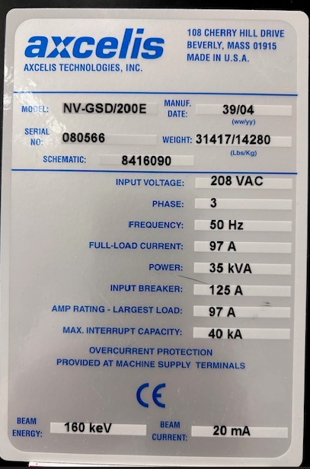
Energy Range | 160 kev
Wafersize | 150mm
Machine S/N | 080 566
Manufacturing Year | 2004-09-01
CE Mark | Yes
Connection top/bottom | Top
Mechanical Frame | Bolted

Control System
Software Version | 6.13.2 | maybe renew of License from AXCELIS required (Software License Transfer Fee)
Workstation | Solaris | Main Workstation only
Cell Controller | V6 Controller P/N 11053210
SECS/GEM | Sec Network Card
Light tower | Present (3 COLOR)

Source / Extraction
Source | Eterna ELS4
Vaporizer | Yes
Source Bushing | ELS - P/N: 170111300
Source Controller | P/N: 1184800
Filament P.S | Matsusada RE 10-60-02
Cathoden P.S | EMS
Arc P.S | EMS 150-7
Extraction Electrode | Variable P/N: 1181634
Souce Injector Bleed | P/N: 11020570
Extraction Supply | HVPS 100KV 8KW ADVANCE P/N 1055580
Extraction Suppression Supply | Glassman - PS/NV-15NN33 (15KV 33mA) - P/N: 2200158

Gasbox
Gasbox | P/N: 11035500 Mod 5String
Mod Gas Modual | Modular (3 HP,2 SDS)
MFC Type As | SDS - MKS
MFC Type PH | SDS - MKS
MFC Type BF3 | MKS 10sccm HP
MFC Type Ar | MKS 10sccm HP
MFC Type H2 | MKS 10sccm HP

Beamline
Post Accel PS | HVPS 100KV 8KW ADVANCE P/N 1055580
Post Accel Manipulator | P/N: 11028460
EMER | P/N: 1190500
Aperture / Flag Faraday | P/N: 11019550 - with Select Aperture
Burn Thru Sensor | P/N: 1177460
E-SHWR/SEF/PEF | P/N: 11049260 - PEF Xenon
Electron Flood Gas Panel | P/N: 11051430
Beamguide Gas | P/N 1187940
V3 Bellows | YES

Endstation
Process Disk | 150mm
Disk Faraday (fixed/TSDF) | P/N: 11031750
Dose DI | P/N 11028840
Wafer Holder | P/N: 110142200 cam (HPES - Upgrade)
IN VAC ARM | P/N: 110047380 cam (HPES - Upgrade)
Rotary Drive Controller | Direct Drive - P/N: 11026580
Gyro | P/N: 1177580
Y-Scan Controller | P/N: 11026590
Disk Vac DI | P/N: 1195140 (DISK VACCUM DI / W/ DIGITAL CHARGE MONITOR CAL)
Wafer Transfer | P/N: 1106570
MACOBOT | P/N: 1176760
Load Lock | P/N: 1176550
Cassette Table | P/N: 11016690
Aligner | P/N: 11016300
Vac Cassette/Stand | P/N: 11027730
IN AIR Robot | P/N 11029370
Slot To Slot | NO
Bar Code Reader | NO

High Vacuum System
P1 | Edwards STP A2203 C | included if Decon possible
P1 Safety Ring (Seiko 2203) installed | Yes
Beamline Turbo (P8) | Leybold Turbovac 1000 C | included if Decon possible
P2 Cryo | 8116208G001 | included if Decon possible
P3 Cryo | 8116209G001 | included if Decon possible
G/P Controller (E/S) | 360 Stabil
E/S IG3 Stabil/Glas | 360 Stabil
RP1 | Edwards SetUp | Pump is not included
RP2 | Edwards SetUp | Pump is not included

Remote Facility
Cryo Compressor P2/P3 9650 | P/N 8135911G001
Cryo Interfacebox | P/N: 8113048G003
Disk Cooling | No Chiller | Pump is not included

Miscellaneous
air interface box terminal | SMC 1913100
air interface box in vac | P/N: 1909770
air interface1 (above IG2) | P/N: 1909430
air interface 2 (near InVac-Arm) | P/N: 1909440
Source Isolation Trans | XFMR (5kVA) - P/N:2400113
Terminal Isolation Transformer | P/N: 2400116
HYT | NO
LeadFloor | NO
Smif | NO
UPS | NO

Spare Assys available:
Source | Yes
Vaporizer | Yes
Extraction Electrode | Yes
Source Bushing Assy | Yes
Post Accel Manipulator | Yes
EMER | Yes
PFG Assy | Yes
Aperture / Flag Faraday | Yes

Remarks: | Flow Hood missing, no Roughpumps included (Edwards Setup)
 | Tool available Q4 2026

